Composite
Combined Scores

Urban Area

 | Coefficients(a)
 | Model |  | Unstandardized Coefficients |  | Standardized Coefficients | t | Sig.
 |  |  | B | Std. Error | Beta | B | Std. Error
 | 1 | (Constant) | 0.564 | 0.001 |  | 488.808 | 0.000
 |  | REGR factor score 1 for analysis | 0.830 | 0.001 | 0.985 | 719.043 | 0.000
 | a | Dependent Variable: REGR factor score 1 for analysis 1

 |  | Combined Score= 0.564 + 0.830 * Urban Score

Rural

 | Coefficients(a)
 | Model |  | Unstandardized Coefficients |  | Standardized Coefficients | t | Sig.
 |  |  | B | Std. Error | Beta | B | Std. Error
 | 1 | (Constant) | -0.788 | 0.002 |  | -513.540 | 0.000
 |  | REGR factor score 1 for analysis | 0.561 | 0.002 | 0.961 | 365.260 | 0.000
 | a | Dependent Variable: REGR factor score 1 for analysis 1

 |  | Combined Score= -0.788 + 0.561* Rural Score

Combined Score

 | Statistics
 | combscor
 | N | Valid | 105063
 |  | Missing | 0
 | Mean |  | 0.2971
 | Median |  | 0.3528
 | Mode |  | 2.06
 | Std. Deviation |  | 1.05739
 | Skewness |  | -0.022
 | Std. Error of Skewness |  | 0.008
 | Kurtosis |  | -1.172
 | Std. Error of Kurtosis |  | 0.015
 | Minimum |  | -2.00
 | Maximum |  | 2.40
 | Percentiles | 20 | -0.8351
 |  | 40 | -0.0379
 |  | 60 | 0.6951
 |  | 80 | 1.3333

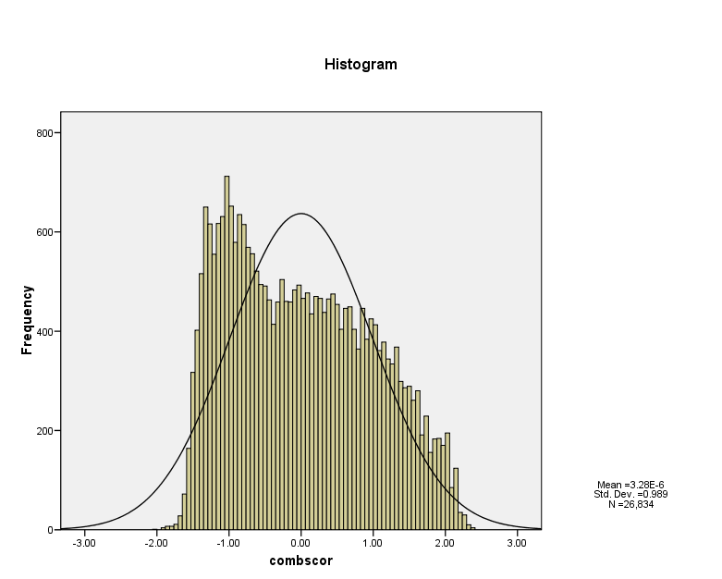

Report
Statistics: Mean
 | Ncombsco Percentile Group of combscor
 | 1 | 2 | 3 | 4 | 5 | Total
Has electricity | 0.294 | 0.888 | 0.986 | 0.996 | 0.998 | 0.824
Has radio | 0.737 | 0.805 | 0.851 | 0.919 | 0.975 | 0.854
Has television | 0.162 | 0.713 | 0.933 | 0.988 | 0.998 | 0.748
Has refrigerator | 0.001 | 0.056 | 0.277 | 0.674 | 0.972 | 0.381
Has bicycle | 0.139 | 0.279 | 0.268 | 0.226 | 0.206 | 0.223
Has motorcycle/scooter | 0.018 | 0.065 | 0.093 | 0.088 | 0.063 | 0.064
Has car/truck | 0.009 | 0.030 | 0.060 | 0.088 | 0.314 | 0.097
Has telephone | 0.003 | 0.027 | 0.150 | 0.442 | 0.856 | 0.284
Has a mobile telephone | 0.219 | 0.589 | 0.802 | 0.867 | 0.954 | 0.676
Has an animal-drawn cart | 0.005 | 0.016 | 0.010 | 0.005 | 0.003 | 0.008
Has a boat with a motor | 0.009 | 0.006 | 0.003 | 0.003 | 0.003 | 0.005
Owns a bank account | 0.156 | 0.175 | 0.296 | 0.462 | 0.789 | 0.367
Has a sofa | 0.004 | 0.047 | 0.203 | 0.578 | 0.930 | 0.339
Has a cabinet | 0.024 | 0.097 | 0.244 | 0.540 | 0.883 | 0.346
Has a shelf | 0.025 | 0.124 | 0.333 | 0.601 | 0.917 | 0.387
Has a wardrobe | 0.063 | 0.310 | 0.676 | 0.878 | 0.976 | 0.566
Has a wall clock | 0.109 | 0.353 | 0.571 | 0.767 | 0.917 | 0.532
Has cable television | 0.001 | 0.035 | 0.137 | 0.298 | 0.727 | 0.231
Has a blender | 0.020 | 0.249 | 0.569 | 0.862 | 0.985 | 0.522
Has a gas cooker | 0.060 | 0.480 | 0.873 | 0.974 | 0.982 | 0.660
Has a kerosene cooker | 0.028 | 0.076 | 0.101 | 0.080 | 0.059 | 0.069
Has a microwave | 0.000 | 0.004 | 0.030 | 0.139 | 0.658 | 0.159
Has a washing machine | 0.000 | 0.001 | 0.024 | 0.156 | 0.701 | 0.169
Has a computer | 0.000 | 0.005 | 0.059 | 0.202 | 0.661 | 0.178
Has internet access at home | 0.000 | 0.001 | 0.004 | 0.043 | 0.447 | 0.095
Has a water pump | 0.000 | 0.003 | 0.008 | 0.029 | 0.163 | 0.039
Has an electric generator | 0.006 | 0.009 | 0.008 | 0.005 | 0.016 | 0.009
Number of rooms in the household | 2.220 | 2.461 | 2.620 | 3.319 | 4.346 | 2.965
Dwelling has windows | 0.546 | 0.767 | 0.871 | 0.956 | 0.996 | 0.821
Windows with glass | 0.160 | 0.423 | 0.687 | 0.876 | 0.982 | 0.614
Windows with shutters | 0.185 | 0.214 | 0.156 | 0.091 | 0.053 | 0.143
Windows with screens | 0.018 | 0.045 | 0.040 | 0.050 | 0.034 | 0.037
Windows with curtains/blinds | 0.050 | 0.195 | 0.393 | 0.661 | 0.889 | 0.425
Any other transportation type (horses, peque-peque, etc) | 0.373 | 0.189 | 0.068 | 0.034 | 0.010 | 0.140
If HH has a domestic worker not related to head | 0.000 | 0.001 | 0.002 | 0.007 | 0.052 | 0.012
Number of members per sleeping room | 2.699 | 2.454 | 2.332 | 1.927 | 1.305 | 2.161
Piped into dwelling | 0.399 | 0.569 | 0.659 | 0.895 | 0.919 | 0.680
Piped into yard/plot | 0.052 | 0.088 | 0.109 | 0.029 | 0.001 | 0.057
Public tap/standpipe | 0.053 | 0.059 | 0.051 | 0.008 | 0.000 | 0.035
Well inside dwelling | 0.034 | 0.052 | 0.024 | 0.010 | 0.005 | 0.026
Public Well | 0.036 | 0.024 | 0.009 | 0.000 | 0.000 | 0.014
Spring water | 0.161 | 0.020 | 0.003 | 0.000 | 0.000 | 0.039
Surface water-river, lake, etc. | 0.165 | 0.041 | 0.009 | 0.001 | 0.000 | 0.045
Rainwater | 0.001 | 0.001 | 0.001 | 0.000 | 0.001 | 0.001
Tanker truck | 0.008 | 0.038 | 0.057 | 0.020 | 0.002 | 0.025
Tanker truck | 0.005 | 0.017 | 0.028 | 0.027 | 0.071 | 0.029
Other water source | 0.087 | 0.090 | 0.050 | 0.010 | 0.000 | 0.049
Flush toilet inside dwelling | 0.021 | 0.202 | 0.549 | 0.894 | 0.991 | 0.516
Flush toilet outside dwelling | 0.004 | 0.058 | 0.105 | 0.031 | 0.003 | 0.041
Ventilated latrine | 0.120 | 0.085 | 0.034 | 0.015 | 0.004 | 0.053
Septic well | 0.006 | 0.011 | 0.023 | 0.009 | 0.000 | 0.010
Pit latrine | 0.397 | 0.386 | 0.207 | 0.039 | 0.002 | 0.213
Latrine over river/lake/canal | 0.009 | 0.007 | 0.004 | 0.002 | 0.000 | 0.005
No facility/bush/field | 0.434 | 0.229 | 0.066 | 0.007 | 0.000 | 0.154
Other toilet facility | 0.009 | 0.021 | 0.012 | 0.001 | 0.000 | 0.009
Shared toilet or latrine | 0.031 | 0.131 | 0.202 | 0.107 | 0.022 | 0.099
Earth, mud, dung floor | 0.907 | 0.674 | 0.219 | 0.030 | 0.000 | 0.381
Rudimentary wood plank floor | 0.046 | 0.082 | 0.071 | 0.025 | 0.010 | 0.048
Parquet, wood tile floor | 0.000 | 0.001 | 0.008 | 0.029 | 0.210 | 0.048
Asphalt, vinyl tile floor | 0.000 | 0.000 | 0.005 | 0.032 | 0.135 | 0.033
Terrazo, ceramic tile floor | 0.000 | 0.001 | 0.020 | 0.107 | 0.316 | 0.085
Cement, brick floor | 0.016 | 0.240 | 0.677 | 0.775 | 0.327 | 0.398
Other type of flooring | 0.030 | 0.001 | 0.000 | 0.001 | 0.002 | 0.007
Wood walls | 0.101 | 0.122 | 0.097 | 0.016 | 0.001 | 0.069
Estera | 0.015 | 0.023 | 0.018 | 0.002 | 0.000 | 0.012
Rustic mat | 0.040 | 0.009 | 0.003 | 0.000 | 0.000 | 0.011
Adobe walls | 0.759 | 0.650 | 0.331 | 0.115 | 0.020 | 0.387
Bamboo with mud | 0.026 | 0.033 | 0.024 | 0.006 | 0.003 | 0.019
Stone with mud | 0.023 | 0.003 | 0.000 | 0.000 | 0.000 | 0.005
Carton for walls | 0.000 | 0.000 | 0.001 | 0.000 | 0.000 | 0.000
Brick, Cement block walls | 0.006 | 0.109 | 0.482 | 0.847 | 0.974 | 0.467
Stone with cal, cement walls | 0.005 | 0.019 | 0.010 | 0.004 | 0.001 | 0.008
Plywood walls | 0.005 | 0.018 | 0.027 | 0.009 | 0.000 | 0.012
No walls | 0.011 | 0.000 | 0.000 | 0.000 | 0.000 | 0.002
Other type of walls | 0.010 | 0.013 | 0.008 | 0.001 | 0.000 | 0.006
Straw/Palm/Cane/Mud roof | 0.256 | 0.032 | 0.003 | 0.001 | 0.000 | 0.061
Rustic mat roof | 0.025 | 0.038 | 0.046 | 0.011 | 0.000 | 0.025
Bamboo with mud roof | 0.013 | 0.036 | 0.077 | 0.064 | 0.015 | 0.041
Carton roof | 0.000 | 0.001 | 0.000 | 0.001 | 0.000 | 0.000
Cement shingle roof | 0.001 | 0.028 | 0.248 | 0.628 | 0.914 | 0.349
Wood roof | 0.001 | 0.009 | 0.024 | 0.037 | 0.015 | 0.017
Ceramic tile roof | 0.248 | 0.157 | 0.076 | 0.030 | 0.011 | 0.108
Corrugated roof | 0.449 | 0.686 | 0.515 | 0.224 | 0.042 | 0.391
Other type of roof | 0.006 | 0.013 | 0.010 | 0.004 | 0.003 | 0.007
Electricity for cooking | 0.000 | 0.005 | 0.008 | 0.012 | 0.023 | 0.009
Bottled gas for cooking | 0.013 | 0.242 | 0.761 | 0.946 | 0.964 | 0.569
Natural gas for cooking | 0.000 | 0.001 | 0.001 | 0.001 | 0.004 | 0.002
Kerosene for cooking | 0.007 | 0.024 | 0.035 | 0.010 | 0.000 | 0.015
Coal, lignite for cooking | 0.011 | 0.034 | 0.025 | 0.005 | 0.000 | 0.015
Charcoal for cooking | 0.003 | 0.006 | 0.003 | 0.001 | 0.000 | 0.002
Wood for cooking | 0.793 | 0.533 | 0.104 | 0.006 | 0.001 | 0.300
Straw, shrubs, grass for cooking | 0.015 | 0.004 | 0.000 | 0.000 | 0.000 | 0.004
Crop residues for cooking | 0.001 | 0.002 | 0.000 | 0.000 | 0.000 | 0.001
Dung for cooking | 0.118 | 0.064 | 0.005 | 0.000 | 0.000 | 0.039
Does not cook | 0.035 | 0.080 | 0.054 | 0.019 | 0.009 | 0.040
Other fuel for cooking | 0.004 | 0.005 | 0.003 | 0.000 | 0.000 | 0.003
Electric lighting | 0.294 | 0.888 | 0.986 | 0.996 | 0.998 | 0.824
LPG lighting | 0.000 | 0.002 | 0.006 | 0.004 | 0.002 | 0.003
Kerosene lighting | 0.236 | 0.021 | 0.002 | 0.000 | 0.000 | 0.054
Candle lighting | 0.383 | 0.069 | 0.003 | 0.000 | 0.000 | 0.095
Battery lighting | 0.014 | 0.008 | 0.001 | 0.000 | 0.000 | 0.005
Other lighting | 0.073 | 0.013 | 0.002 | 0.000 | 0.000 | 0.018
Shared flush toilet inside dwelling | 0.000 | 0.025 | 0.083 | 0.075 | 0.021 | 0.040
Shared flush toilet outside dwelling | 0.003 | 0.051 | 0.092 | 0.028 | 0.001 | 0.035
Shared ventilated latrine | 0.003 | 0.009 | 0.005 | 0.001 | 0.000 | 0.004
Shared septic well | 0.000 | 0.001 | 0.002 | 0.001 | 0.000 | 0.001
Shared pit latrine | 0.024 | 0.045 | 0.019 | 0.003 | 0.000 | 0.019

